Sheet1
PIC | ID.NO | TAG.NO | G.W | N.W
 | DSCO1703.JPG | 6-4703[NECK] 21-2043[PENDENT]] | GROSS GROSS WEIGHT=45.940 GROSS WEIGHT=65.550 | N. WEIGHT=37.060 N.WEIGHT=42.150
 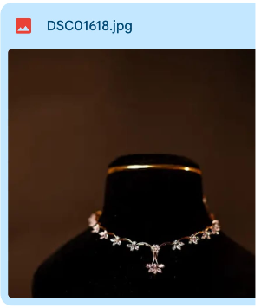 | DSCO1618.JPG | 3-1420 | GROSS WEIGHT=17.810 | NET WEIGHT=15.273
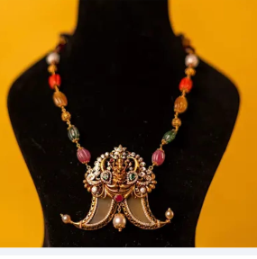 | DSCO1679.JPG | 20-2876 | GROSS WEIGHT=62.380 | NET WEIGHT=41.350
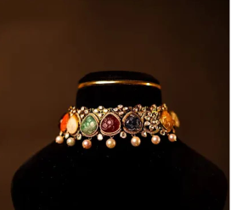 | DSCO1645.JPG | 3-2805 | GROSS WEIGHT=71.660 | NET WEIGHT=41.510
 | DSCO1630.JPG | 3-3149 | GROSS WEIGHT=54.690 | NET WEIGHT=39.210
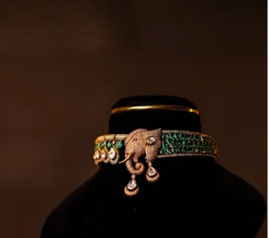 | DSC01515.JPG | 3-3375 | GROSS ]WEIGHT=64.061 | NET WEIGHT=54.740
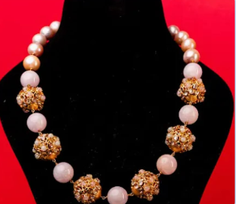 | DSCO2414.JPG | 17-414 | GROSS WEIGHT=155.120 | NET WEIGHT=66.870
 | DSCO2394.JPG | 8-497 | GROSS WEIGHT=56.590 | NET WEIGHT=27.140
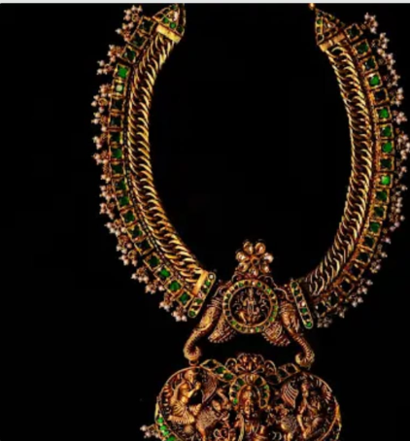 | DSCO2722.JPG | 6-4572 | GROSS WEIGHT=125.716 | NET WEIGHT=111.461
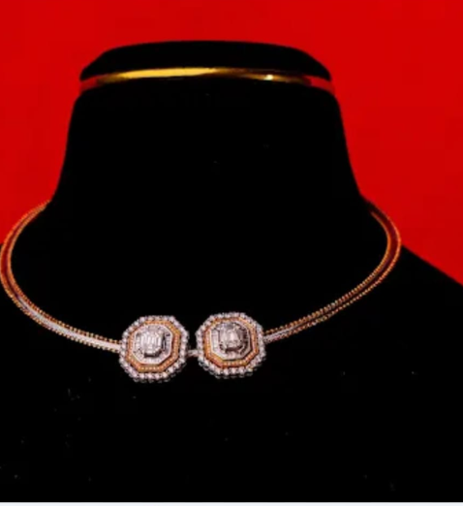 | DSCO2407.JPG | 3-36 | GROSS WEIGHT=25.90 | NET WEIGHT=24.286
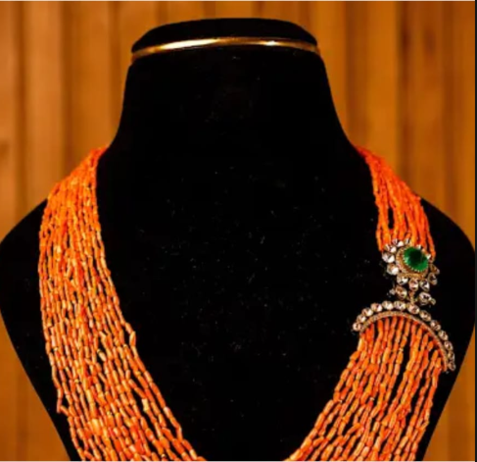 | DSCO2441.JPG | 3-2408 | GROSS WEIGHT=83.460 | NET WEIGHT=11.042
 | DSCO2400.JPG | 3-3812 | GROSS WEIGHT=52.050 | NET WEIGHT=19.204
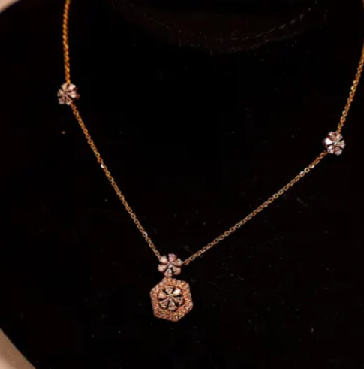 | DSCO2506.JPG | 8-1122 | GROSS WEIGHT=7.038 | NET WEIGHT=7.038
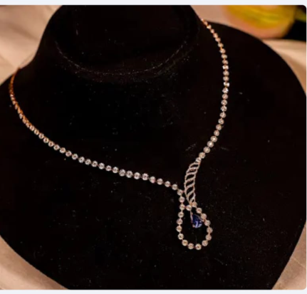 | DSC02500.JPG | 8-3532 | GROSS WEIGHJT = 8.320 | NET WEIGHT=7.912
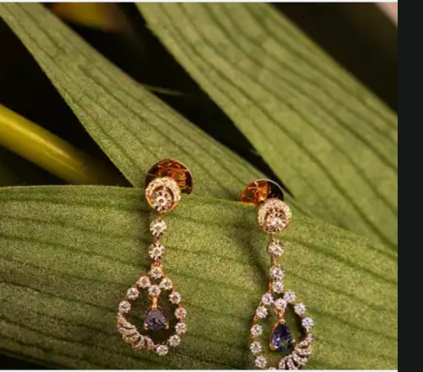 | DSCO2502.JPG | 4-3522 | GROSS WEIGHJT = 4.130 | NET WEIGHT=3.888
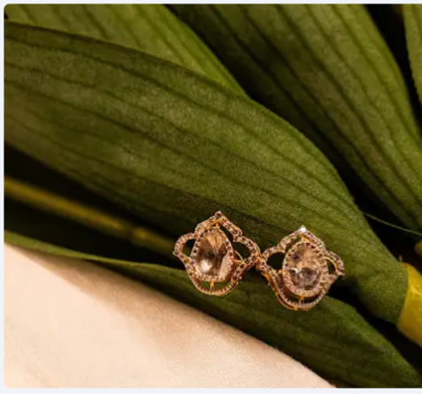 | DSCO2495.JPG | 12-3866 | GROSS WEIGHJT = 3.550 | NET WEIGHT=3.378
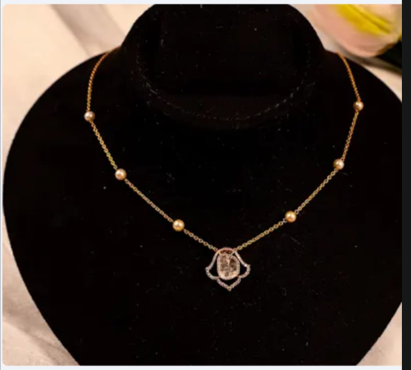 | DSCO2491.JPG | 18-3865 | GROSS WEIGHJT = 6.100 | NET WEIGHT=5.260
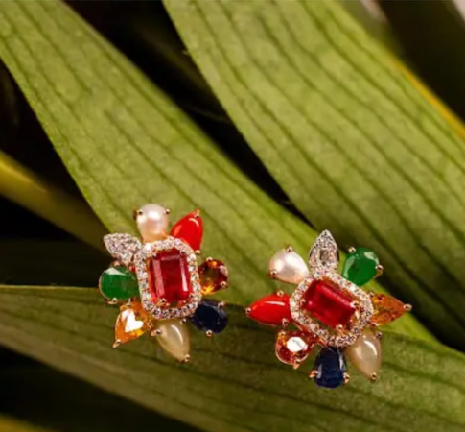 | DSCO2490.JPG | 4-4349 | GROSS WEIGHJT = 7.680 | NET WEIGHT=5.912
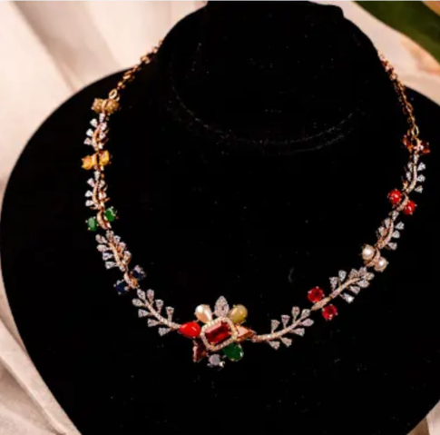 | DSCO2489.JPG | 8-4344 | GROSS WEIGHJT = 24.970 | NET WEIGHT=21.392
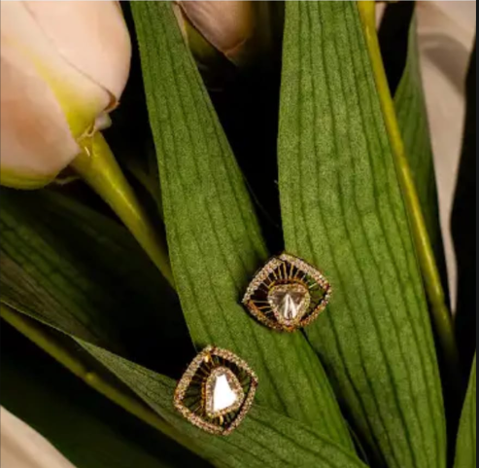 | DSCO2484.JPG | 4-3148 | GROSS WEIGHJT = 6.360 | NET WEIGHT=6.100
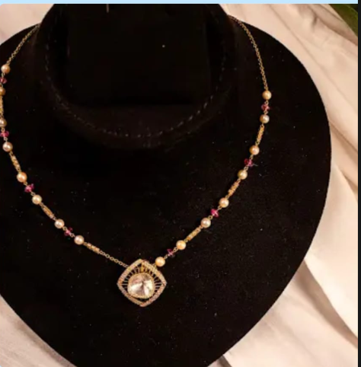 | DSCO2482.JPG | 8-3145 | GROSS WEIGHJT = 9.460 | NET WEIGHT=7.264
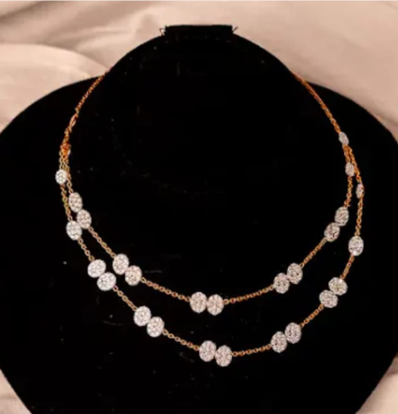 | DSCO2448.JPG | 8-3533 | GROSS WEIGHJT = 16.260 | NET WEIGHT=15.446
 | DSCO2450.JPG | 8-2925 | GROSS WEIGHJT = 13.110 | NET WEIGHT=10.344
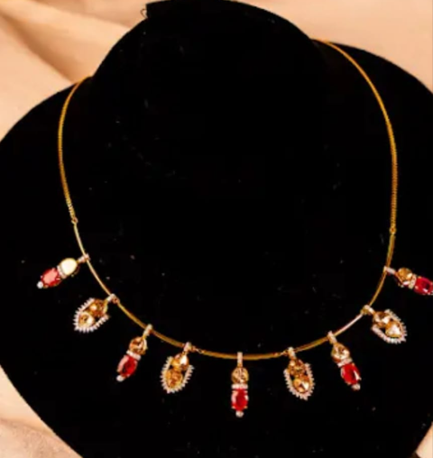 | DSC02452.JPG | 3-3157 | GROSS WEIGHJT = 16.160 | NET WEIGHT=14.460
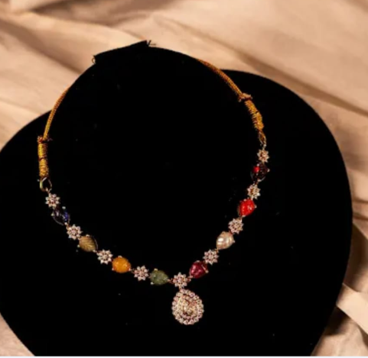 | DSC02455.JPG | 3-3247 | GROSS WEIGHJT = 18.042 | NET WEIGHT=14.338
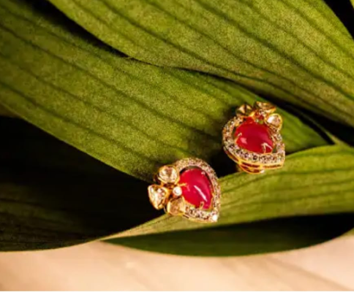 | DSC02461.JPG | 12-4044 | GROSS WEIGHJT = 3.700 | NET WEIGHT=2.976
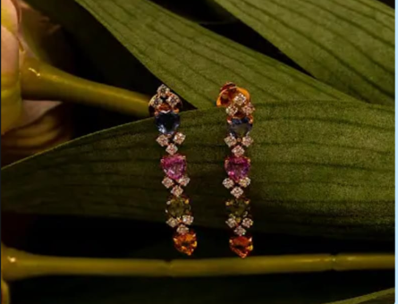 | DSC02514.JPG | 4-3548 | GROSS WEIGHJT = 5.170 | NET WEIGHT=4.172
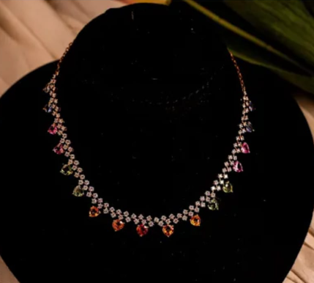 | DSC02512.JPG | 3-3547 | GROSS WEIGHJT = 16.690 | NET WEIGHT=14.268
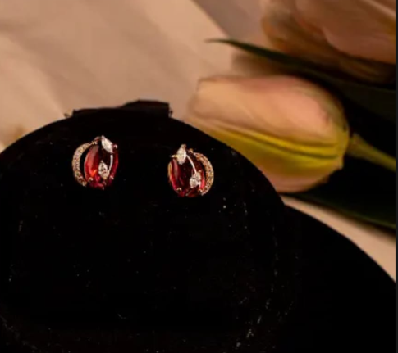 | DSC02518.JPG | 4-4237 | GROSS WEIGHJT = 4.310 | NET WEIGHT=3.284
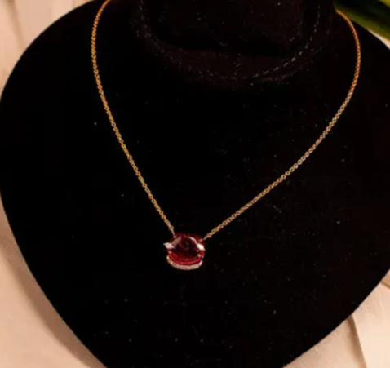 | DSC02515.JPG | 8-4252 | GROSS WEIGHJT = 8.110 | NET WEIGHT=5.734
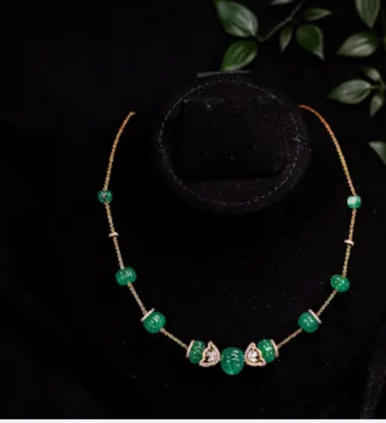 | DSC02603.JPG | 8-538 | GROSS WEIGHJT = 18.380 | NET WEIGHT=7.362
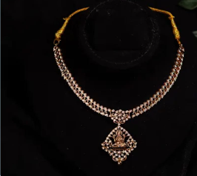 | DSC025998.JPG | 3-2354 | GROSS WEIGHJT = 25.930 | NET WEIGHT=25.410
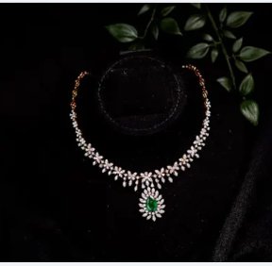 | DSC02594.jpg | 3-2974 | GROSS WEIGHJT = 85.840 | NET WEIGHT=76.554
 | DSC02589.jpg | 3-3944 | GROSS WEIGHJT = 32.760 | NET WEIGHT=27.490
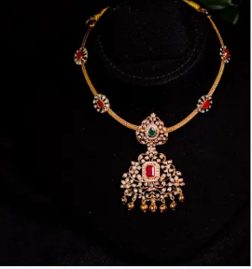 | DSC02557.jpg | 3-4280 | GROSS WEIGHJT = 25.580 | NET WEIGHT=24.192
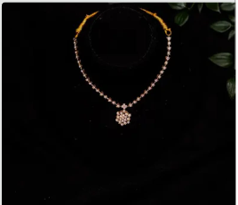 | DSC02547.jpg | 3-23511 | GROSS WEIGHJT = 10.570 | NET WEIGHT=9.596
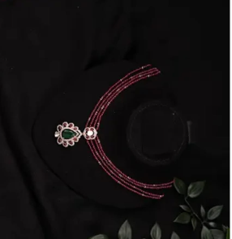 | DSC02541.jpg | 3-2348 | GROSS WEIGHJT = 39.460 | NET WEIGHT=9.320
 | DSC02596.jpg | 3-2450 | GROSS WEIGHJT = 38.530 | NET WEIGHT=33.634
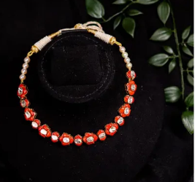 | DSC02605.jpg | 3-3268 | GROSS WEIGHJT = 34.230 | NET WEIGHT=19.086
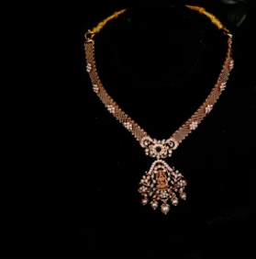 | DSC02552.jpg | 3-417 | GROSS WEIGHJT = 30.227 | NET WEIGHT=28.780
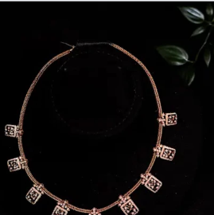 | DSC02531.jpg | 3-1634 | GROSS WEIGHJT = 29.080 | NET WEIGHT=27.490
 | DSC02600.jpg | 3-194 | GROSS WEIGHJT = 12.910 | NET WEIGHT=12.160
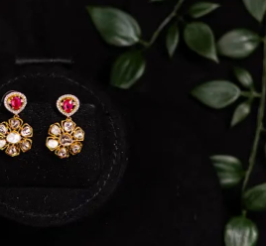 | DSC02566.jpg | 4-2995 | GROSS WEIGHJT = 6.580 | NET WEIGHT=6.059
 | DSC02584.jpg | 4-177 | GROSS WEIGHJT = 8.750 | NET WEIGHT=7.778
 | DSC02571.jpg | 4-1984 | GROSS WEIGHJT = 12.380 | NET WEIGHT=9.898
 | DSC02576.jpg | 4-233 | GROSS WEIGHJT = 5.920 | NET WEIGHT=4.652
 | DSC02562 | 8-2993 | GROSS WEIGHJT = 23.590 | NET WEIGHT=22.053
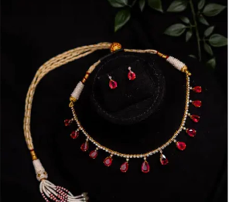 | DSC02610.jpg | 3-1267 | GROSS WEIGHJT = 22.740 | NET WEIGHT=17.630
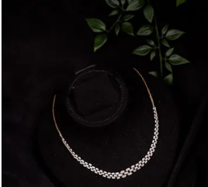 | DSC02614.jpg | 3-2347 | GROSS WEIGHJT =14.800 | NET WEIGHT=14.1130
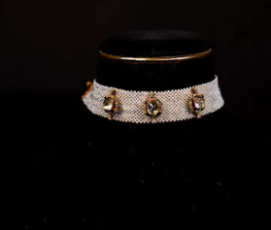 | DSC02616.jpg | 3-2442 | GROSS WEIGHJT = 18.950 | NET WEIGHT=10.940
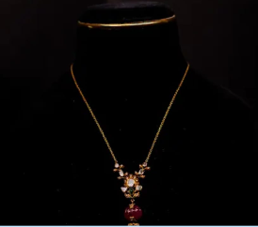 | DSC026118.jpg | 3-1295 | GROSS WEIGHJT = 35.150 | NET WEIGHT=18.026
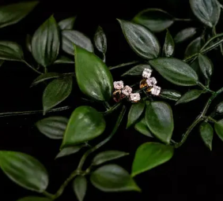 | DSC02648.jpg | 4-3817 | GROSS WEIGHJT = 3.300 | NET WEIGHT=3.208
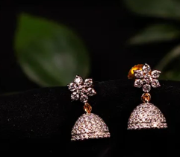 | DSC02690.jpg | 4-4431 | GROSS WEIGHJT = 3.320 | NET WEIGHT=3.171
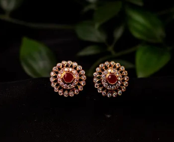 | DSC02688.jpg | 4-1679 | GROSS WEIGHJT = 5.860 | NET WEIGHT=5.514
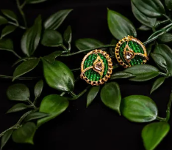 | DSC02666.jpg | 4-967 | GROSS WEIGHJT = 11.010 | NET WEIGHT=9.378
 | DSC02697.jpg | 4-393 | GROSS WEIGHJT = 8.500 | NET WEIGHT=4.940
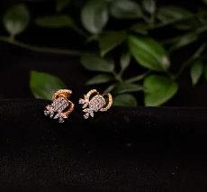 | DSC02695.jpg | 4-1358 | GROSS WEIGHJT = 4.940 | NET WEIGHT=4.776
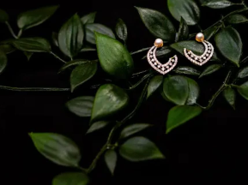 | DSC02640.jpg | 4-460 | GROSS WEIGHJT = 2.792 | NET WEIGHT=2.610
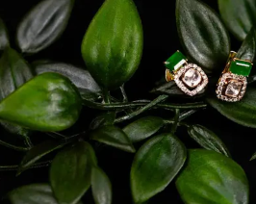 | DSC02659.jpg | 4-2923 | GROSS WEIGHJT = 3.870 | NET WEIGHT=3.300
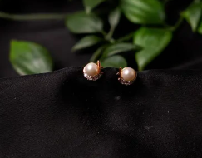 | DSC02680.jpg | 4-7871 | GROSS WEIGHJT = 3.320 | NET WEIGHT=2.580
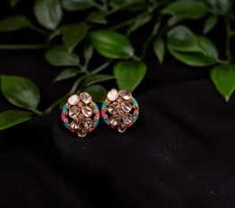 | DSC026771.jpg | 12-1021 | GROSS WEIGHJT = 6.270 | NET WEIGHT=5.838
 | DSC02704.jpg | 4-2016 | GROSS WEIGHJT = 5.780 | NET WEIGHT=4.652
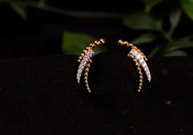 | DSC02693.jpg | 12-4266 | GROSS WEIGHJT = 3.070 | NET WEIGHT=2.940
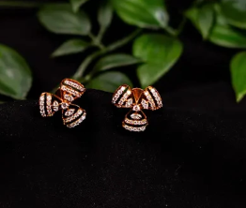 | DSC02678.jpg | 4-2239 | GROSS WEIGHJT = 3.880 | NET WEIGHT=3.756
 | DSC02711.jpg | 4-868 | GROSS WEIGHJT = 9.150 | NET WEIGHT=8.642
 | DSC02706.jpg | 12-2148 | GROSS WEIGHJT = 7.472 | NET WEIGHT=6.402
 | DSC02623.jpg | 4-499 | GROSS WEIGHJT = 7.440 | NET WEIGHT=6.920
 | DSC02631.jpg | 4-45 | GROSS WEIGHJT = 7.020 | NET WEIGHT=6.380
 | DSC02646.jpg | 4-416 | GROSS WEIGHJT = 7.216 | NET WEIGHT=6.950
  | DSC02625.jpg | 4-4278 | GROSS WEIGHJT = 15.910 | NET WEIGHT=13.282
 | DSC02717.JPG | 4-2919 | GROSS WEIGHJT = 19.770 | NET WEIGHT=15.534
 | DSC02628.JPG | 4-4275 | GROSS WEIGHJT = 5.470 | NET WEIGHT=5.112
 | DSC02635.JPG | 4-2937 | GROSS WEIGHJT = 6.500 | NET WEIGHT=5.592
 | DSC02656.JPG | 4-243 | GROSS WEIGHJT =1.920 | NET WEIGHT=1.864
 | DSC02701.JPG | 4-4305 | GROSS WEIGHJT = 4.585 | NET WEIGHT=4.402
 | DSC02657.JPG | 4-4054 | GROSS WEIGHJT = 5.090 | NET WEIGHT=4.896
 | DSC02679.JPG | 4-2332 | GROSS WEIGHJT = 2.420 | NET WEIGHT=2.334
 | DSC02673.JPG | 4-1697 | GROSS WEIGHJT = 7.960 | NET WEIGHT=6.149
 | DSC02739.JPG | 7-2928 | GROSS WEIGHJT = 9.400 | NET WEIGHT=8.920
 | DSC02737.JPG | 7-149 | GROSS WEIGHJT = 18.262 | NET WEIGHT=17.920
 | DSC02747.JPG | 16-4157 | GROSS WEIGHJT = 3.780 | NET WEIGHT=3.690
 | DSC02754.JPG | 7-11364 | GROSS WEIGHJT = 4.850 | NET WEIGHT=4.802
 | DSC02776.JPG | 15-1837 | GROSS WEIGHT = 8.798 | NET WEIGHT=8.630
 | DSC02839.JPG | 7-403 | GROSS WEIGHJT = 13.430 | NET WEIGHT=12.070
 | DSC02727.JPG | 7-2213 | GROSS WEIGHJT = 9.700 | NET WEIGHT=9.332
 | DSC02819.JPG | 7-286 | GROSS WEIGHJT = 20.232 | NET WEIGHT=19.450
 | DSC02827.JPG | 5-1075 | GROSS WEIGHJT = 39.220 | NET WEIGHT=30.504
 | DSC02825.JPG | 5-498 | GROSS WEIGHJT = 22.000 | NET WEIGHT=19.360
 | DSC02802.JPG | 5-3540 | GROSS WEIGHJT = 6.460 | NET WEIGHT=6.364
 | DSC02801.JPG | 7-3246 | GROSS WEIGHJT = 10.750 | NET WEIGHT=10.659
 | DSC02795.JPG | 7-3245 | GROSS WEIGHJT = 4.109 | NET WEIGHT=4.083
 | DSC02790.JPG | 7-3564 | GROSS WEIGHJT = 7.940 | NET WEIGHT=7.508
 | DSC02781.JPG | 13-3068 | GROSS WEIGHJT = 9.620 | NET WEIGHT=7.98-
 | DSC02778.JPG | 7-189 | GROSS WEIGHJT = 6.970 | NET WEIGHT=6.782
 | DSC02774.JPG | 5-3539 | GROSS WEIGHJT = 13.900 | NET WEIGHT=13.724
 | DSC02772.JPG | 5-3543 | GROSS WEIGHJT = 11.460 | NET WEIGHT=10.812
 | DSC02770.JPG | 7-446 | GROSS WEIGHJT = 6.660 | NET WEIGHT=6.628
 | DSC02762.JPG | 7-2939 | GROSS WEIGHJT = 7.270 | NET WEIGHT=6.458
 | DSC02746.JPG | 7-2264 | GROSS WEIGHJT = 11.630 | NET WEIGHT=9.528
 | DSC02764.JPG | 7-2454 | GROSS WEIGHJT = 5.120 | NET WEIGHT=3.100
 | DSC02734.JPG | 7-1993 | GROSS WEIGHJT = 6.920 | NET WEIGHT=6.014
 | DSC02797.JPG | 5-1115 | GROSS WEIGHJT = 14.720 | NET WEIGHT=14.604
 | DSC02838.JPG | 16-3070 | GROSS WEIGHJT = 7.490 | NET WEIGHT=6.872
 | DSC02760.JPG | 16-4156 | GROSS WEIGHJT = 8.080 | NET WEIGHT=6.799
 | DSC02769.JPG | 7-208 | GROSS WEIGHJT = 11.740 | NET WEIGHT=11.298
 | DSC02757.JPG | 7-134 | GROSS WEIGHJT = 12.138 | NET WEIGHT=12.020
 | DSC02756.JPG | 7-1362 | GROSS WEIGHJT = 4.454 | NET WEIGHT=4.420
 | DSC02751.JPG | 7-281 | GROSS WEIGHJT = 9.456 | NET WEIGHT=8.940
 | DSC02744.JPG | 7-419 | GROSS WEIGHJT = 7.050 | NET WEIGHT=6.642
 | DSC02736.JPG | 5-180 | GROSS WEIGHJT = 16.722 | NET WEIGHT=16.358
 | DSC02725.JPG | 7-2449 | GROSS WEIGHJT = 13.110 | NET WEIGHT=12.744
 | DSC02849.JPG | 5-2242 | GROSS WEIGHJT = 14.706 | NET WEIGHT=14.390
 | DSC02842.JPG | 7-1836 | GROSS WEIGHJT = 17.438 | NET WEIGHT=17.006
 | DSC02832.JPG | 15-2146 | GROSS WEIGHJT = 16.828 | NET WEIGHT=14.502
 | DSC02824.JPG | 15-257 | GROSS WEIGHJT = 16.070 | NET WEIGHT=14.376
 | DSC02753.JPG | 7-4268 | GROSS WEIGHJT = 9.270 | NET WEIGHT=8.996
 | DSC02818.JPG | 15-2024 | GROSS WEIGHJT = 18.590 | NET WEIGHT=17.698
 | DSC02816.JPG | 7-421 | GROSS WEIGHJT = 31.880 | NET WEIGHT=28.036
 | DSC02811.JPG | 15-1965 | GROSS WEIGHJT = 13.560 | NET WEIGHT=12.410
 | DSC02809.jpg | 15-1948 | GROSS WEIGHJT = 9.450 | NET WEIGHT=8.820
 | DSC02806.jpg | 5-66 | GROSS WEIGHJT = 9.564 | NET WEIGHT=8.780
 | DSC02760.JPG | 16-41156 | GROSS WEIGHJT = 0.80 | NET WEIGHT=6.799
 | DSC02403.jpg | 3-3064 | GROSS WEIGHJT = 76.220 | NET WEIGHT=40.450
 | DSC02473.jpg | 17-3933 | GROSS WEIGHJT = 29.940 | NET WEIGHT=20.868
 | DSC01801.jpg | 5-428 | GROSS WEIGHJT = 15.850 | NET WEIGHT=15.820
 | DSC01792.jpg | 5-1541 | GROSS WEIGHJT = 17.078 | NET WEIGHT=16.798
 | DSC01793.jpg | 5-1548 | GROSS WEIGHJT = 16.907 | NET WEIGHT=16.692
 | DSC01788.jpg | 5-1585 | GROSS WEIGHJT = 34.415 | NET WEIGHT=34.415
 | DSC01814.jpg | 5-1741 | GROSS WEIGHJT = 19.300 | NET WEIGHT=12.920
 | DSC01818.jpg | 7-3466 | GROSS WEIGHJT = 7.880 | NET WEIGHT=7.880
 | DSC01859.jpg | 7-609 | GROSS WEIGHJT = 7.340 | NET WEIGHT=6.740
 | DSC0118116.jpg | 5-384 | GROSS WEIGHJT = 12.590 | NET WEIGHT=12.550
 | DSC01810.jpg | 7-2607 | GROSS WEIGHJT = 14.720 | NET WEIGHT=14.720
 | DSC01785.jpg | 7-4192 | GROSS WEIGHJT = 13.900 | NET WEIGHT=13.900
 | DSC02024.jpg | 11-506 | GROSS WEIGHJT = 24.100 | NET WEIGHT=21.115
 | DSC02010.jpg | 5-675 | GROSS WEIGHJT = 45.970 | NET WEIGHT=35.480
 | DSC02014.jpg | 11-1470 | GROSS WEIGHJT = 45.080 | NET WEIGHT=28.200
 | DSC02004.jpg | 5-582 | GROSS WEIGHJT = 44.110 | NET WEIGHT=38.339
 | DSC02001.jpg | 11-147 | GROSS WEIGHJT = 30.330 | NET WEIGHT=30.330
 | DSC01974 | 11-2658 | GROSS WEIGHJT = 22.390 | NET WEIGHT=22.060
 | DSC01970.jpg | 11-1321 | GROSS WEIGHJT = 30.760 | NET WEIGHT=24.265
 | DSC01854.jpg | 28-3658 | GROSS WEIGHJT = 2.280 | NET WEIGHT=2.195
 | DSC01852.jpg | 30-860 | GROSS WEIGHJT = 3.30-7 | NET WEIGHT=3.307
 | DSC02034.jpg | 5-385 | GROSS WEIGHJT = 11.980 | NET WEIGHT=11.253
 | DSC02031.jpg | 5-2640 | GROSS WEIGHJT = 17.740 | NET WEIGHT=17.350
 | DSC01979.jpg | 5-2650 | GROSS WEIGHJT = 8.470 | NET WEIGHT=8.320
 | DSC01963.jpg | 5-1923 | GROSS WEIGHJT = 17.370 | NET WEIGHT=17.370
 | DSC01964.jpg | 5-318 | GROSS WEIGHJT = 17.780 | NET WEIGHT=17.580
 | DSC01858 | 7-1662 | GROSS WEIGHJT = 6.800 | NET WEIGHT=6.800
 | DSC01848.jpg | 7-1464 | GROSS WEIGHJT = 5.590 | NET WEIGHT=5.590
 | DSC01845.jpg | 11-1346 | GROSS WEIGHJT = 7.792 | NET WEIGHT=7.792
 | DSC01783.jpg | 5-603 | GROSS WEIGHJT = 48.890 | NET WEIGHT=42.830
 | DSC01768.jpg | 7-1894 | GROSS WEIGHJT = 44.120 | NET WEIGHT=11.930
 | DSC01`760.jpg | 5-3590 | GROSS WEIGHJT = 29.670 | NET WEIGHT=21.341
 | DSC01758.jpg | 5-90 | GROSS WEIGHJT = 53.010 | NET WEIGHT=45.060
 | DSC01755.jpg | 7-3192 | GROSS WEIGHJT = 10.520 | NET WEIGHT=10.520
 | DSC01750.jpg | 11-3099 | GROSS WEIGHJT = 51.270 | NET WEIGHT=39.700
 | DSC01738 | 7-3464 | GROSS WEIGHJT = 10.290 | NET WEIGHT=10.060
 | DSC01604.jpg | 3-2850 | GROSS WEIGHJT = 20.360 | NET WEIGHT=18.780
 | DSC01613.jpg | 3-4218 | GROSS WEIGHJT = 12.370 | NET WEIGHT=8.380
 | DSC01535.jpg | 6-3457 | GROSS WEIGHJT = 126.300 | NET WEIGHT=72.550
 | DSC01510.jpg | 6-3249 | GROSS WEIGHJT = 156.940 | NET WEIGHT=115.570
 | DSC01691.jpg | 6-2142 | GROSS WEIGHJT = 360.440 | NET WEIGHT=342.160
 | DSC01672.jpg | 6-3528 | GROSS WEIGHJT = 65.400 | NET WEIGHT=34.630
 | DSC01649.jpg | 4-1463 | GROSS WEIGHJT = 8.720 | NET WEIGHT=7.480
 | DSC01599.jpg | 8-2897 | GROSS WEIGHJT = 32.010 | NET WEIGHT=20.100
 | DSC01609.jpg | 3-1010 | GROSS WEIGHJT = 31.570 | NET WEIGHT=30.925
 | DSC01570.jpg | 6-4100 | GROSS WEIGHJT = 79.200 | NET WEIGHT=79.200
 | DSC01992.jpg | 11-3260 | GROSS WEIGHJT = 63670 | NET WEIGHT=50.200
 | DSC01986.jpg | 5-3213 | GROSS WEIGHJT = 45.380 | NET WEIGHT=41.030

